Sheet1
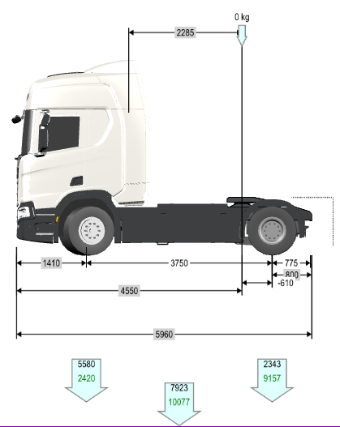
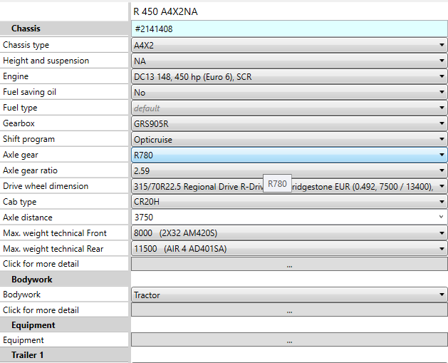
 |  | R780_2.59 | HY1344_2.53
Cycle [-] | Loading [kg] | FC-Final [l/100tkm] | FC-Final [l/100tkm] | Difference [l/100tkm] | Difference [%] | Weighting Factors
LongHaul.vdri | 2600 | 8.90 | 8.81 | -0.092 | -1.03 | 0.27
LongHaul.vdri | 19300 | 1.60 | 1.59 | -0.013 | -0.79 | 0.63
LongHaulEMS.vdri | 3500 | 8.40 | 8.33 | -0.065 | -0.78 | 0.03
LongHaulEMS.vdri | 26500 | 1.52 | 1.51 | -0.008 | -0.51 | 0.07
RegionalDelivery.vdri | 2600 | 9.46 | 9.39 | -0.071 | -0.75 | 0
RegionalDelivery.vdri | 12900 | 2.41 | 2.40 | -0.014 | -0.59 | 0
RegionalDeliveryEMS.vdri | 3500 | 8.98 | 8.91 | -0.072 | -0.80 | 0
RegionalDeliveryEMS.vdri | 17500 | 2.30 | 2.29 | -0.013 | -0.56 | 0
 |  |  |  | -0.043 | -0.72

